1. Title Page
[Basket Analysis]

Project Name: Instacart Basket Analysis
Date: 31/08/2021
Analyst Name: Mary Sassaqui

Contents:
Population Flow
Consistency checks
Wrangling steps
Column derivations
Visualizations
Recommendations

Citation:
"The Instacart Online Grocery Shopping Dataset 2017”, Accessed from https://www.instacart.com/datasets/grocery-shopping-2017 on 7/25/21 .

2. Population Flow
Title page

Population flow

Exclusion flag
Condition: max_order < 10
Obervations to be removed: 29630
Final total count of order_products_all: 32404859

Orders_products_combined
Orders_products_merged
Orders_products_all

Total: 32434489
Total: 32404859
Total: 32404859

1.) The grey boxes in the first row of the population flow represent the original data sets as they were when you downloaded them. In the Total fields you need to add the count of the rows when you imported the data set into Jupyter.
2.) The second row of boxes (coloured) represents the data sets after you manipulated them, e.g., removed missing values and duplicates. In the Total fields you need to add the count of the rows after conducting these operations. This offers a visual oveview of how the data flows throughout the data consistency checks.
3.) The third row, where also the arrows are coloured, represents the merges you performed between the datasets. In the Total fields you need to add the count of the rows in the merged datasets, so that you end up with the final dataset (in the red box). Keep in mind the final dataset should be without exclusions (based on the exclusion flag).

3. Consistency checks
 |  |  |  | Title page
Consistency checks

Dataset | Missing values | Missing values treatment | Duplicates
orders | 206209 | They are related to orders in consecutive days. There was no action. | None
products | 16 | Product names were missing. They were deleted from the dataframe. | 5
orders_products_prior | None | None | None
customers | Names | Due to privacy reasons, names were deleted. | None

4. Wrangling steps
 |  |  |  | Title page
Wrangling steps

Columns dropped | Columns renamed | Columns' type changed | Comment/Reason
1) eval_set | 2) 'order_dow' to 'orders_day_of_week' | 3) 'order_id' to string | 1) not necessary for the analysis
7) 'Unnamed: 0' | 5) 'order_hour_of_day' to 'hour' | 4) 'user_id' to string | 2) make it more clear for readers
9) First and last name from customers | 6) 'orders_day_of_week' to 'day_of_week' |  | 3) and 4) because the are categoric values
 | 8) 'STATE' to 'State' in df_cust |  | 5) and 6) make it easier to type
 | First Name' to 'first_name' |  | 7) Column created automatically when dataframes were merged.
 | Surnam' to 'last_name' |  | 8) All the titles were renamed to make it easier and in lower case as a standart.
 | date_joined' to 'registration_date' |  | 9) Due to the privacy of customers
 | Gender' to 'gender'
 | State' to 'state'
 | Age' to 'age'
 | fam_status' to 'marital_status'

5. Column derivations
 |  |  |  | Title page

Column derivations and aggregations

In this tab you should add tables below that the frequences of flags/label variables that you produced after deriving them. NB: don't do this for continuous variables, only for flags.
Dataset | New column | Column/s it was derived from | Conditions
orders_products_merged | price_range_loc | prices | If prices are higher than 15, they are "high-range products", if it is between 5 and 15, they are "mid-range products". If lower than 5, they are "low-range products".
orders_products_merged | busiest days | day_of_week | If the day was Sunday, it is the "Busiest day". If it is Thursday, it is the "Least Busy" and the other days are "Regularly Busy".
orders_products_merged | busiest days | day_of_week | If the day was Saturday or Sunday, they are the "Busiest days". If they are Thursday or Friday, they are labelled "Slowest Days" and the other days are "Regular Days".
orders_products_merged | busiest_period_of_day | hour | If it is 10, 11, 14, 15 or 13 o'clock, they were labelled: " Most orders". If it is 3, 4, 2, 5 or 1, they were labelled "Fewest orders". All others: "Average orders".
orders_products_merged | max_order | order_number and user_id | sum of number of orders.
orders_products_merged | loyalty_flag | max_order | If the number of orders are higher than 40, it is a "Loyal Customer", if it is between 10 and 40, it is a "Regular Customer". If it is lower than 10, it is a "New Customer".
ords_prods_merge | spending_flag | prices and user_id | If prices are lower than 10, it is labelled as "Low spender", otherwise it is a "High Spender".
ords_prods_merge | median_days_since_prior_order | days_since_prior_order and user_id | median of days since prior order per user.
ords_prods_merge | frequency_flag | median_days_since_prior_order | if the median is higher than 20, it is a "Non-frequent customer", if is in between 20 and 10, "Regular Customer". If it lower than 10, it is a "Frequent Customer".
ords_prods_customers | department_name | department_id | Inserted a column with department names.
ords_prods_customers | regions | states | Inserted a column with regions
ords_prods_customers | activity | max_order | If the number of orders are lower than 5, it is labelled "Low", if it is higher than 5, it is labelled "High".
ords_prods_customers | income_level | income | If the income is lower than 50000, it is labelled "Low-income". If it is between 50K and 100K, it is "Mid-income". If it is higher than 100K, it is labelled "High-income".
ords_prods_customers | age_groups | age | Age groups were created as lower than 30, between 31 and 40, 41 and 50, 51 and 60 and 60+.

6. Visualizations
Visualizations

In this tab you should include all the visualtions from Exercises 4.9 and 4.10, alongside the questions from the project brief that they answer. Include any commentary on the relationship between different variables.

● Which are the busiest days of the week and hours of the day? (i.e., the days and times with the most orders) in order to schedule ads at times when there are fewer orders:

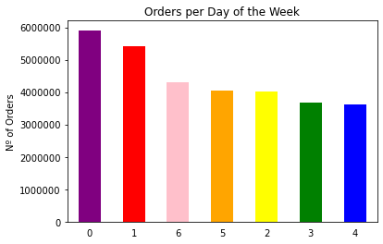
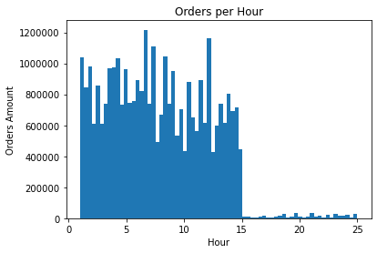

 |  |  |  |  |  |  |  |  |  |  |  | Accordingly to the charts, the busiest days are Saturday and Sunday, and the hours have two main spikes: around 7:00 - 8:00 a.m and then 12:00.

 |  |  |  |  |  |  |  |  |  |  |  | So, targeting ads at evening, when the sales are dropping, after 16hs or the early hours in the morning, to increase early purchases.

● Are there particular times of the day when people spend the most money?

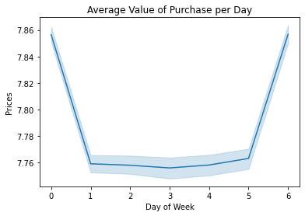
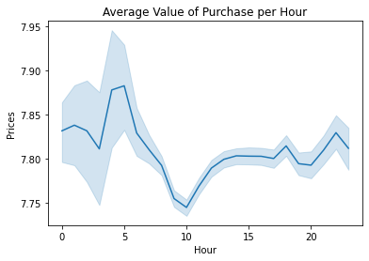

 |  |  |  |  |  |  |  |  |  |  |  | The clients tend to spend more money on Friday and Saturday, between 3:00 to 5:00 a.m, and between 15:00-20:00.

● Instacart has a lot of products with different price tags. Marketing and sales want to use simpler price range groupings to help direct their efforts. ● Are there certain types of products that are more popular than others? The marketing and sales teams want to know which departments have the highest frequency of product orders.

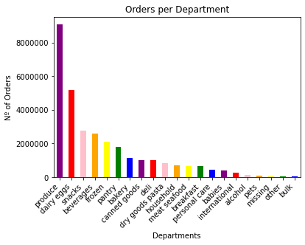
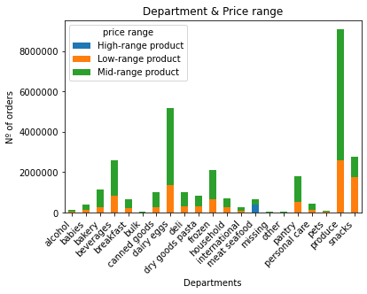

 |  |  |  |  |  |  |  |  |  |  |  | The most popular products belong to the departments: produce, dairy eggs, snacks, beverages and frozen.

 |  |  |  |  |  |  |  |  |  |  |  | Produce, dairy goods, snacks and beverages have a higher number of products, but only meat - seafood and pantry have high-range price products.

● Different types of customers in their system and how their ordering behaviors differ. For example: ○ What’s the distribution among users in regards to their brand loyalty (i.e., how often do they return to Instacart)?

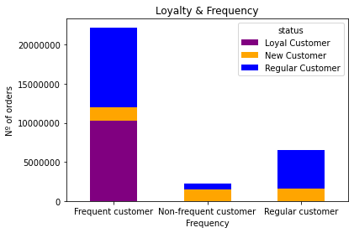

 |  |  |  |  |  |  | Loyal customers are frequent customers, they have ordered more than 40 times and return in less than 10 days.
 |  |  |  |  |  |  | Regular customers have purchased between 10 to 40 times and return between 20 and 10 days.
 |  |  |  |  |  |  | New customers, that ordered less than 10 times. are divided almost equally among the three sub categories, 34% are frequent customers, 32% are non-frequent customers and 33% are regular customers.

○ Are there differences in ordering habits based on a customer’s loyalty status?

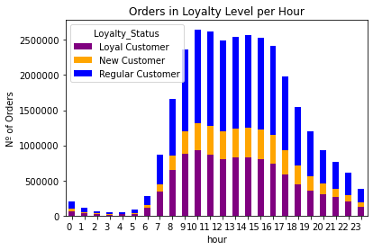
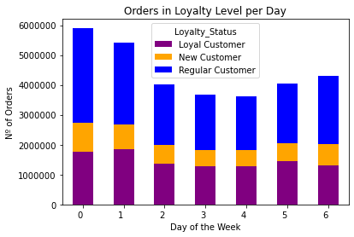

 |  |  |  |  |  |  |  |  |  |  |  | Accordingly to the charts of loyalty per day and hour, loyal customers new customers don't show a lot of difference on the purchase day, it is slitly higher on the weekends. Regular customers (that ordered between 10 to 40 times) go more often on Saturday and Sunday.

 |  |  |  |  |  |  |  |  |  |  |  | All customers show in general the same profile when it comes to the hour of the purchase. Higher at morning between 9:00 and 10:00hs and 15:00 - 16:hs.

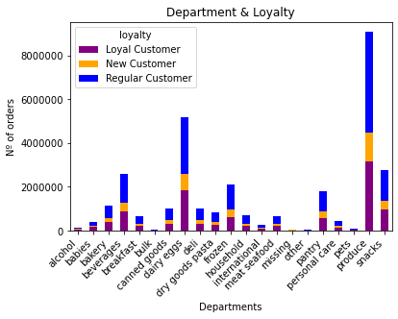

 |  |  |  |  |  |  | When it comes to departments. The most popular departments, produce, dairy eggsm snacks and beverages share the same following percentage: 51% of orders are made by regular customers, 35% by loyal and 15% by new customers.

○ Are there differences in ordering habits based on a customer’s region?

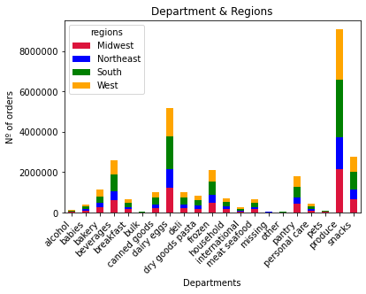
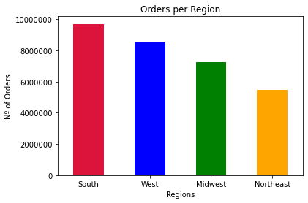

 |  |  |  |  |  |  |  |  |  |  |  | The bar chart shows the number of orders per region and South and West have higher number of orders than Midwest and Northeast.

 |  |  |  |  |  |  |  |  |  |  |  | The distribuition between departments and regions are the same: 31% for south, 28% West, 24% Midwest and 18% Northeast.

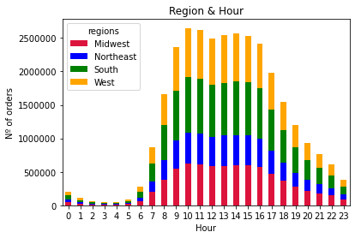
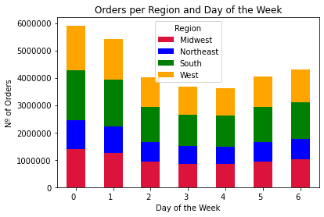

 |  |  |  |  |  |  |  |  |  |  |  | Among all regions, weekends are more busy and between 9:00 - 10:00 and 15:00 - 16:00hs.
 |  |  |  |  |  |  |  |  |  |  |  | Disregarding to the day of the week, the porcentage of each region is the same:
 |  |  |  |  |  |  |  |  |  |  |  |  | % Midwest | % Northeast | % South | % West
 |  |  |  |  |  |  |  |  |  |  |  | Any day of the week | 24% | 18% | 31% | 28%

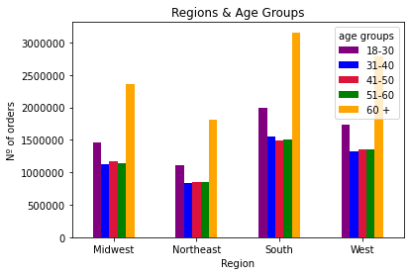
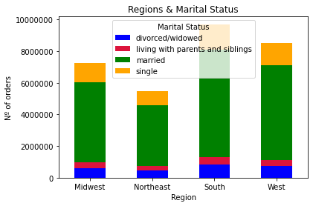

 | The distribuition of purchases among age groups is the same in all regions:
 |  | 18-30 | 31-40 | 41-50 | 51-60 | 60 +
 | Any region | 20% | 16% | 16% | 16% | 32%

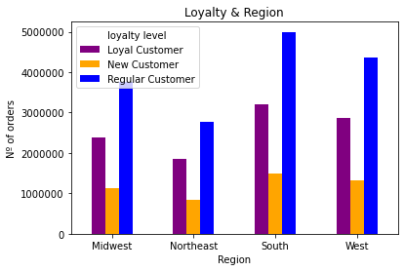
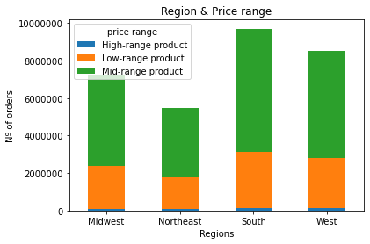
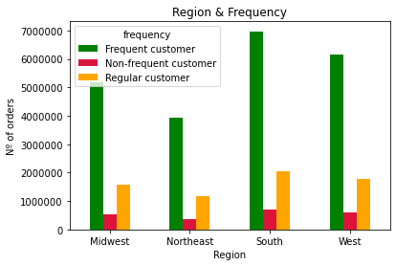

 | The distribuition of purchases among customers price range is the same in all regions: |  |  |  |  |  | The distribuition of purchases among customers frequency is the same in all regions: |  |  |  |  |  | The distribuition of purchases among customers loyalty is the same in all regions:
 |  |  |  | %high-range | %low-range | %mid-range |  | % frequent | % non-frequent | % regular |  |  |  | % loyal | % new | % regular
 |  |  | Any region | 1% | 31% | 67% | Any Region | 72% | 7% | 21% |  |  | Any Region | 33% | 16% | 51%

○ Is there a connection between age and family status in terms of ordering habits? ○ What different classifications does the demographic information suggest? Age? Income? Certain types of goods? Family status?

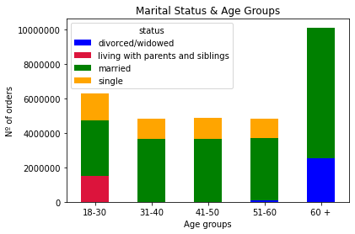

 |  |  |  |  |  |  |  |  | The young customers are living with parents and siblings, single and married. In the oldest group they are married or divorced/ widowed. The other age groups are married or single.

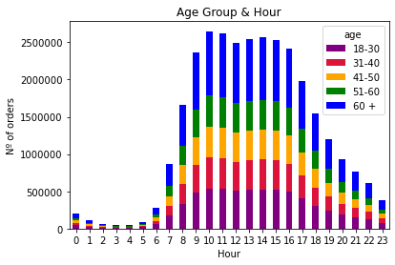
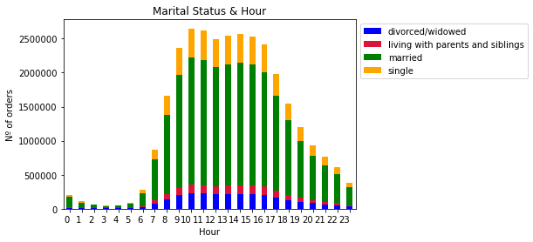

 |  |  |  |  |  |  |  |  |  |  |  |  | People tend to purchase in the same pattern, there are not many differences in the categories in age groups and marital status.

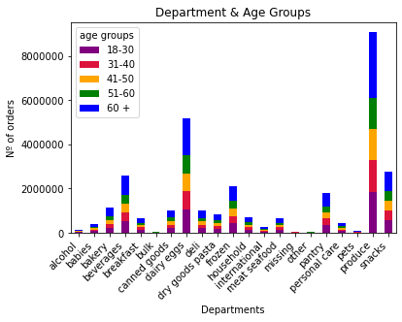
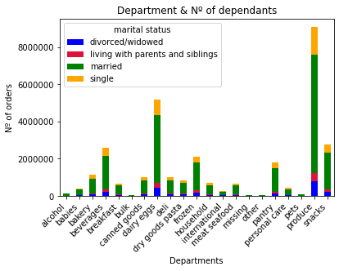

 |  |  |  |  |  |  |  |  |  | The consumption of married people are the most representative among departments, also shown in the age group 60+.

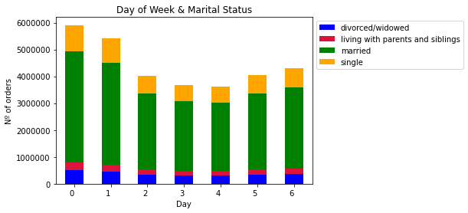

 |  |  |  |  |  |  | Young people (<30) that are living with parents or siblings don't have much preference for a groceries day, but other age groups that are married, prefere weekends.

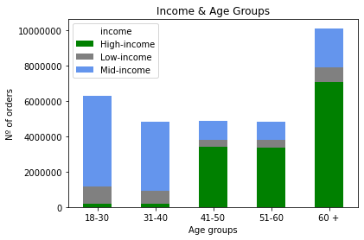
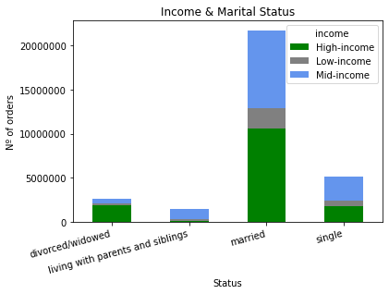

 |  |  |  |  |  |  |  |  |  |  | Older age groups have higher income (+41 years), they are married or divorced or widowed.

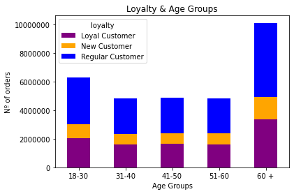
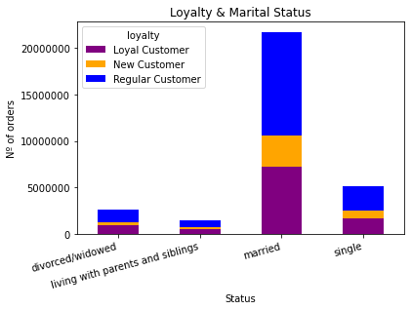

 |  |  |  |  |  |  |  |  |  |  | Regarding to loyalty, the % is the same for loyal, new and regular customers in different age groups and marital status.

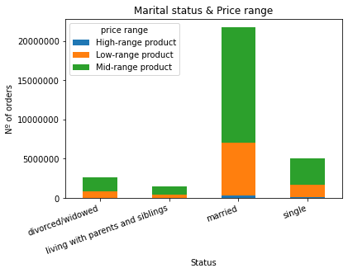
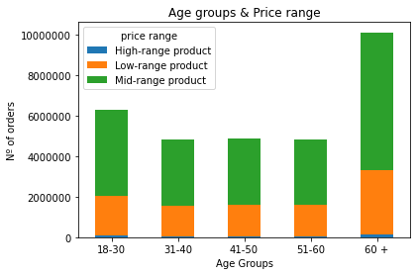

 |  |  |  |  |  |  |  |  |  |  | Married group is the only group that shows more representation of high-range products, which are in the meat and seafood department, and it is present in all age groups.

 |  |  |  |  |  |  |  |  |  |  | Most of the people, disregarding age and marital status, are low spenders, meaning that the items purchased are below $10. And Low spenders only acquire low and mid_range prices products.

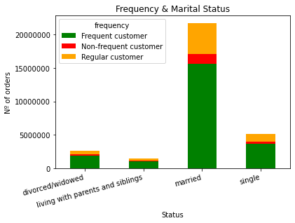
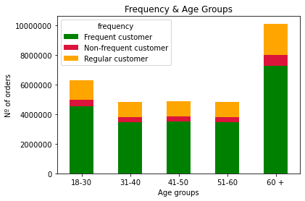

 |  |  |  |  |  |  |  |  |  |  | Most of the clients are frequent customers in all age groups and marital status.

 | ○ What differences can you find in ordering habits of different customer profiles? Consider the price of orders, the frequency of orders, the products customers are ordering, and anything else you can think of.

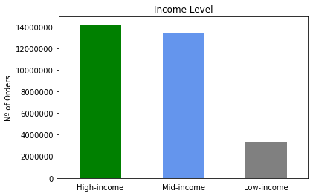
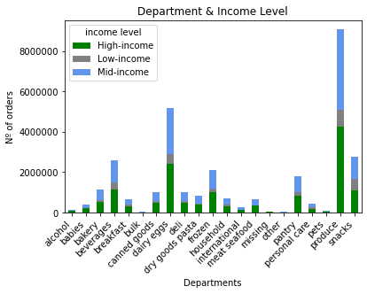

 |  |  |  |  |  |  |  |  |  |  |  | Most of the customers are high and mid-income, which means, above 50K. And they are responsible for most of purchases in every department.

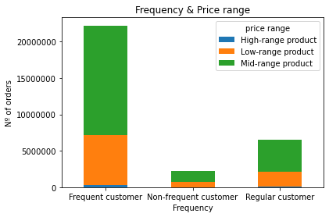
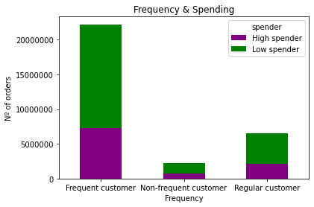

 |  |  |  |  |  |  |  |  |  |  |  | Most of them are frequent customers and are able to consume all price ranges, on the contrary of low-income customers that don't purchase high-priced range products and are low spenders.

7. Recommendations
 |  |  | Title page

Recommendations
bl

In this tab you should include any recommendations you would made to Instcart in terms of their marketing strategy based on the questions posed in the brief. Every key question has been covered in the Tasks of the Exercises - here you need to add an item - a visualisation or table/crosstable that is showing the answer in the data, acompanied by a comment from you. Please, list the questions below and add the answer underneath.

Focus on loyal customers

 | 51% of orders are made by regular customers, 35% by loyal and 15% by new customers.
 | But when it comes to Babies and Bulk departments, loyal customers are responsible for 41% of the orders.
 | If the company could make promotions for these clients, it could potencialize the orders.

Email marketing for the next morning and weekends

 |  | Email marketing could be sent in the afternoon, targeting clients for the next day.
 |  | Most of the clients purchase in the morning and lunch time.
 |  | Focusing also in promotions for the weekend, the busiest days.

Focus on the rentable departments

 |  | 1. produce
 |  | 2. dairy eggs
 |  | 3. snacks
 |  | 4. beverages
 |  | 5. frozen

Focus on high range products to increase the average ticket price

Meat and seafood and pantry departments

Most important regions

South and West

